script
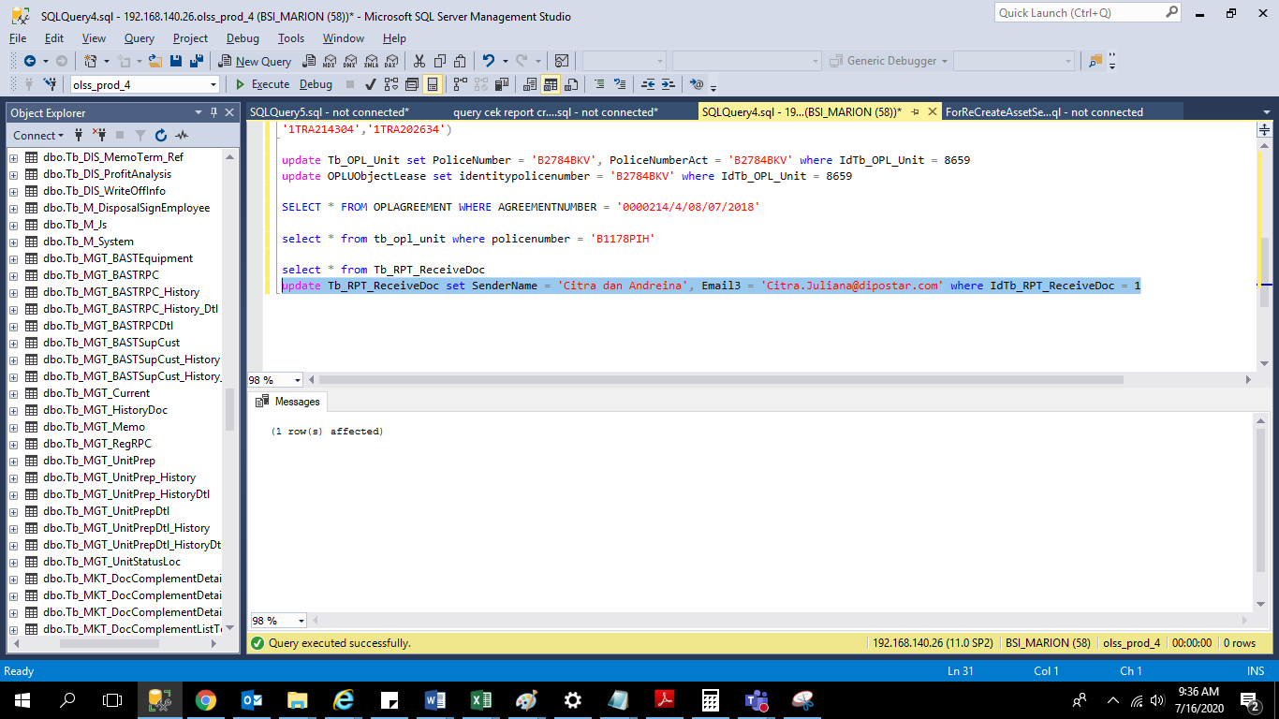
update Tb_RPT_ReceiveDoc set SenderName = 'Citra dan Andreina',
Email3 = 'Citra.Juliana@dipostar.com' where IdTb_RPT_ReceiveDoc = 1

screenshoot
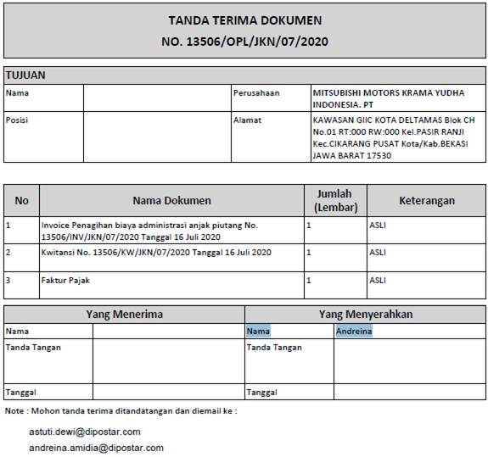
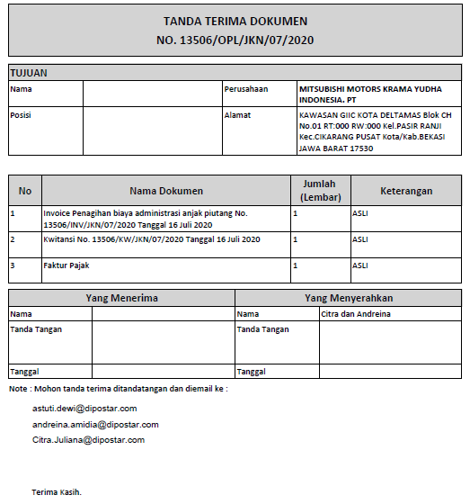
before | after

